Data Aug Details
Speaker | Layer Frozen | Training Loss Graph | Training Accuracy Graph | Accuracy | % Change from Normal

F05 | Augmented_F05_D3 | 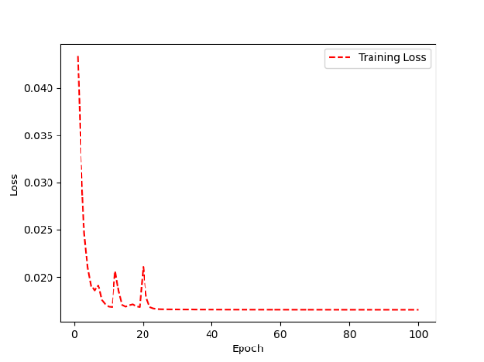 | 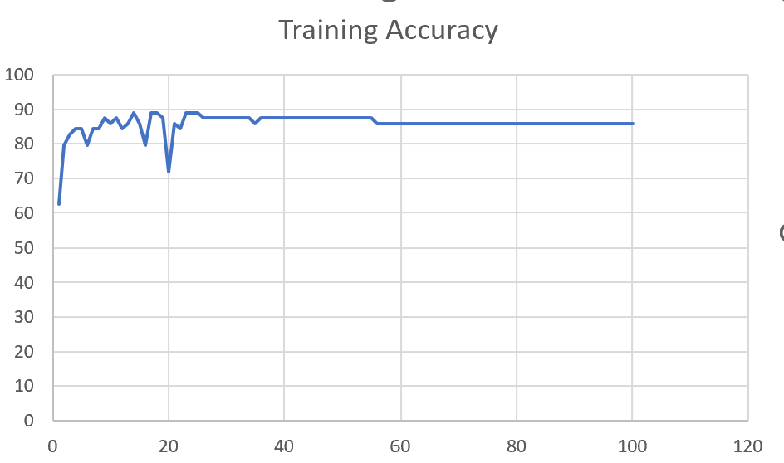 | 93 | 2

 | Augmented_F05_TE | 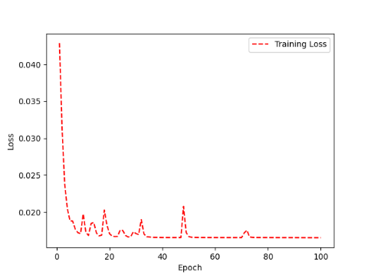 | 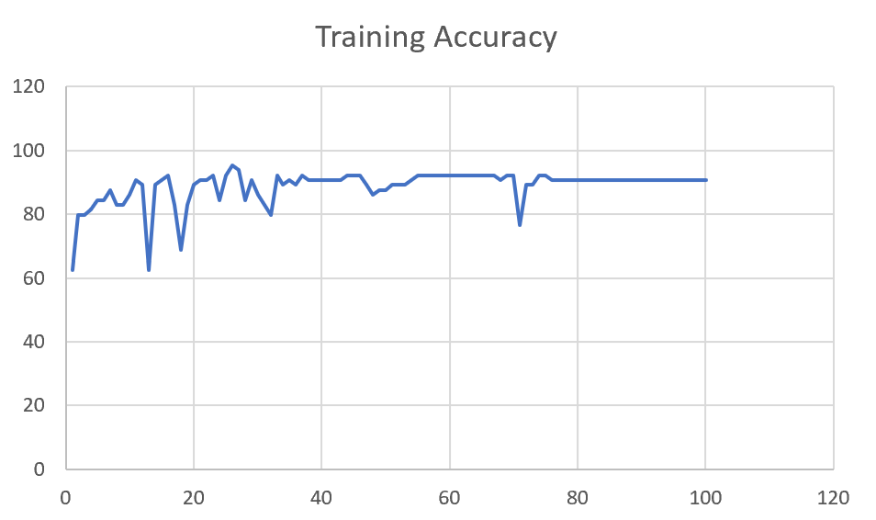 | 93 | 3

M08 | Augmented_M08_T3+D123 | 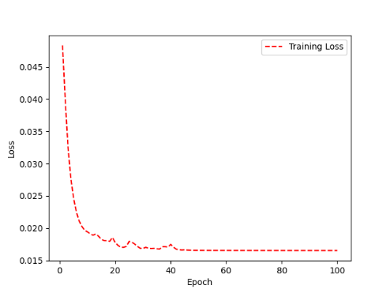 | 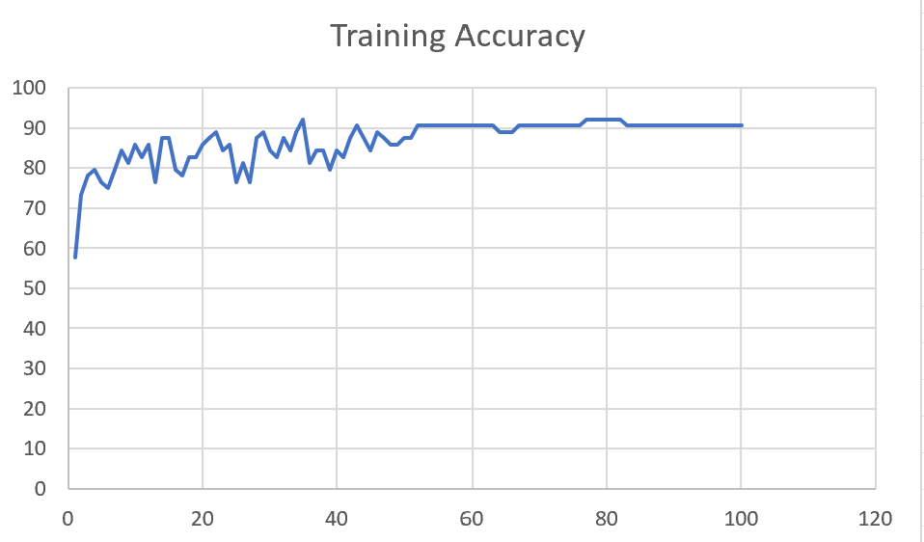 | 88 | 4

 | Augmented_M08_T3+D12 | 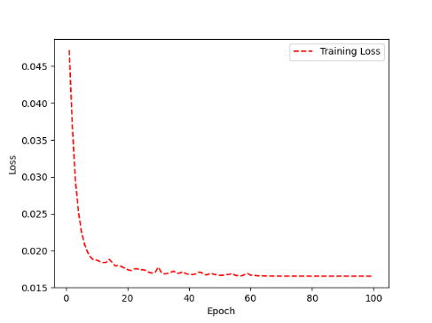 | 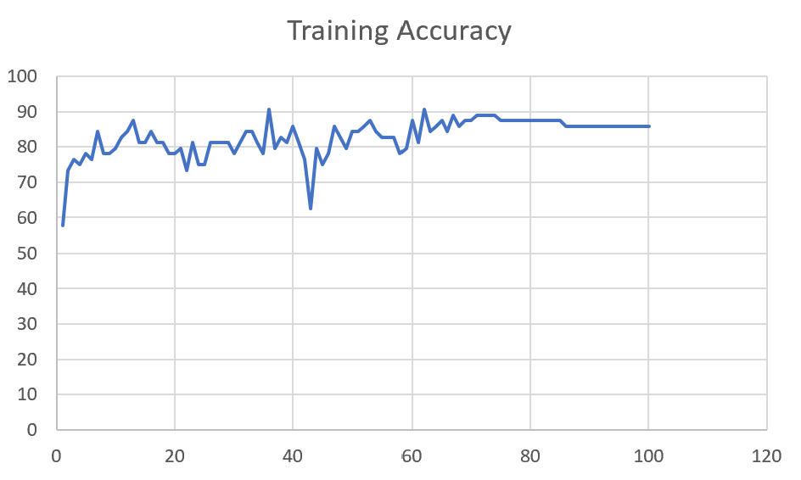 | 88 | 6

M10 | Augmented_M10_T3+D1 | 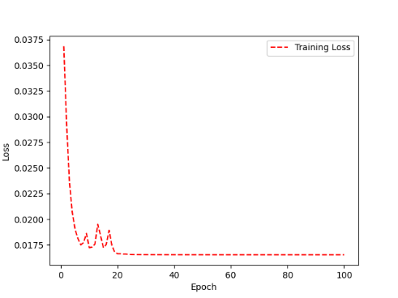 | 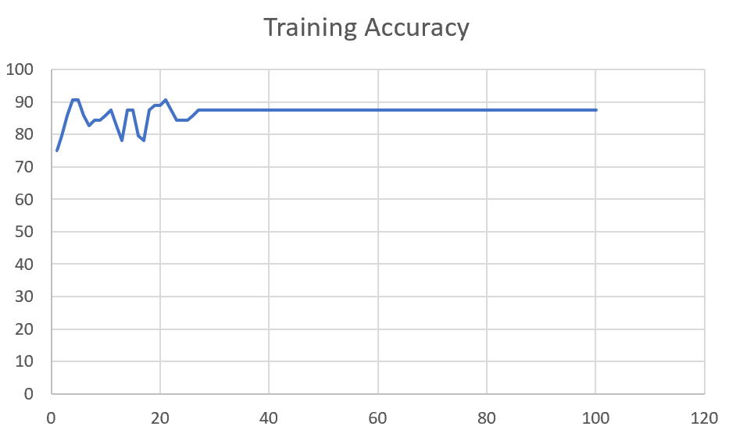 | 91 | -1

 | Augmented_M10_E1 | 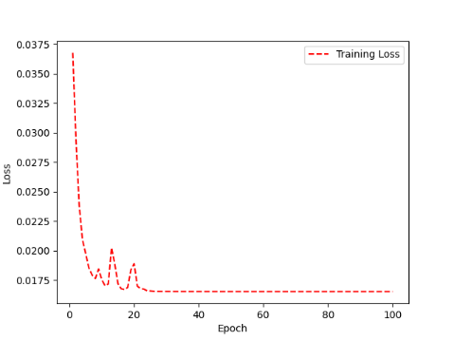 | 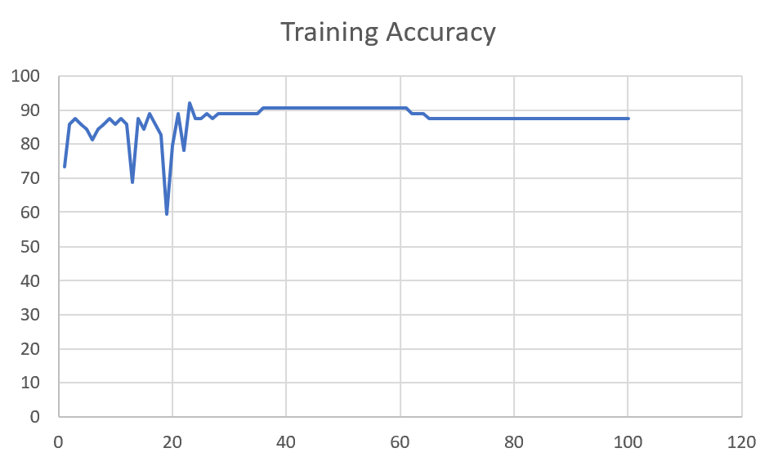 | 91 | 0

M14 | Augmented_M14_D3 | 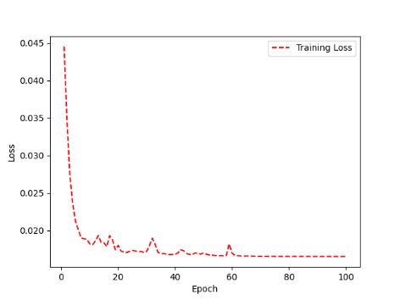 | 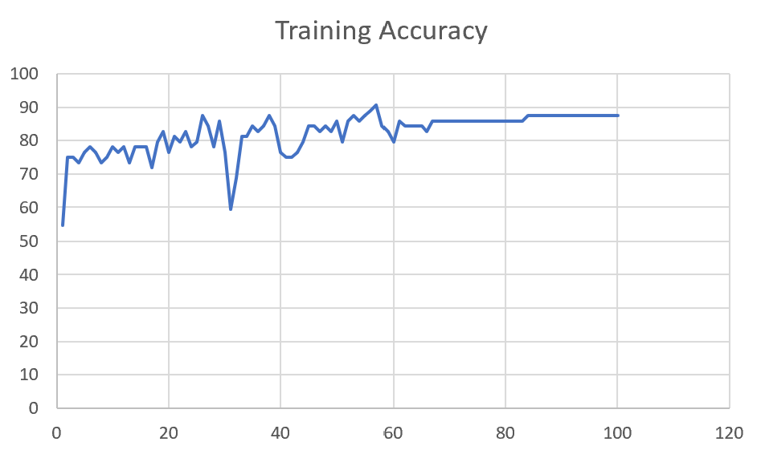 | 84

 | Augmented_M14_T3+D1 | 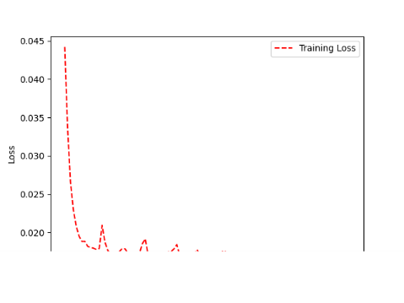 | 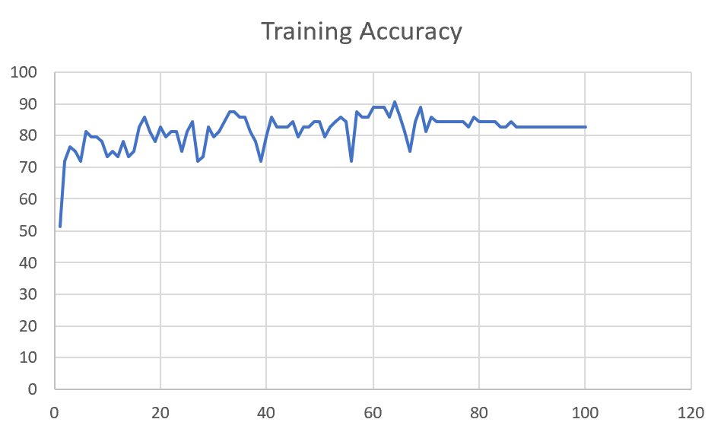 | 85

M09 | Augmented_M09_D3 | 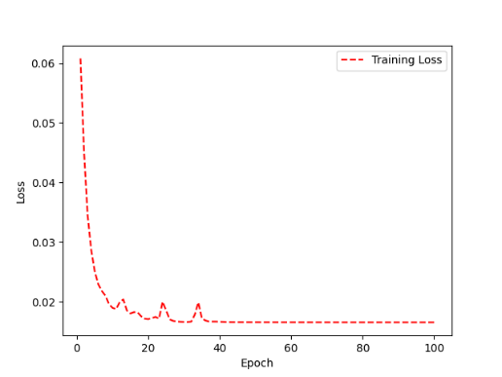 | 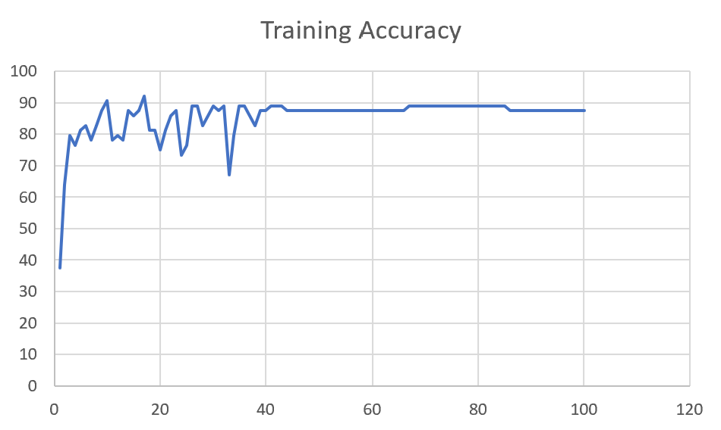 | 84

 | Augmented_M09_TE | 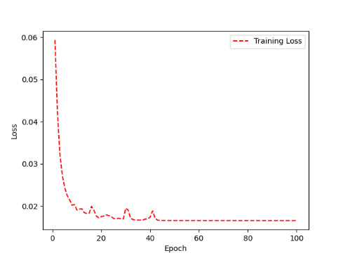 | 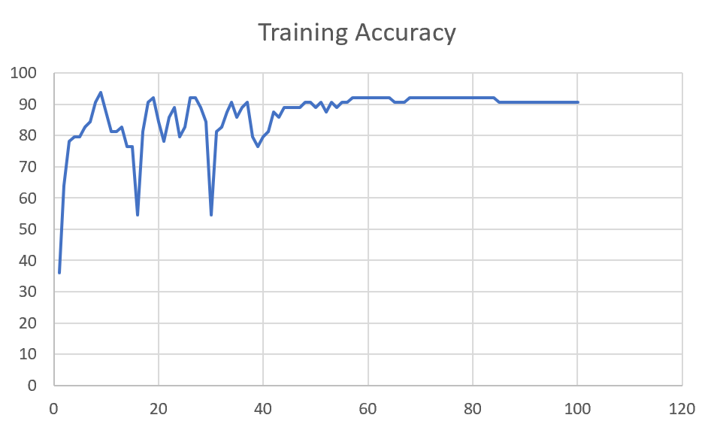 | 82

F04 | Augmented_F04_TE | 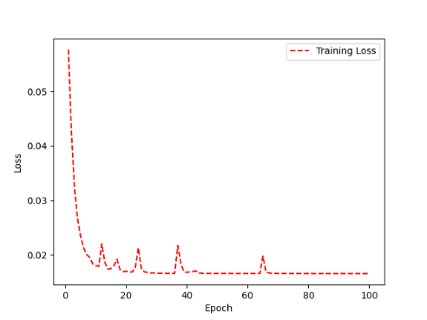 | 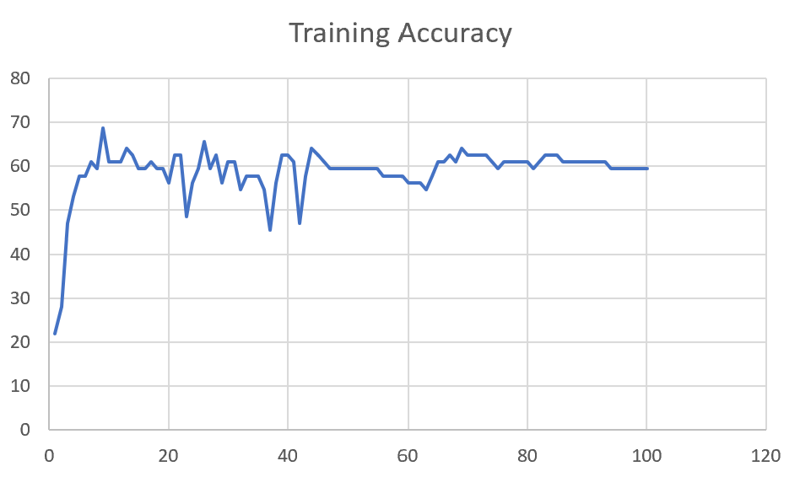 | 69

 | Augmented_F04_TE+D1 | 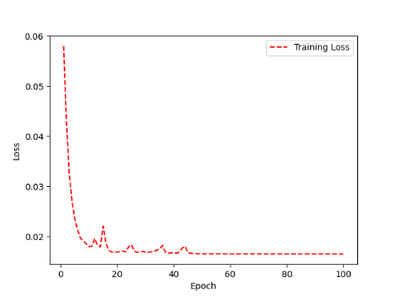 | 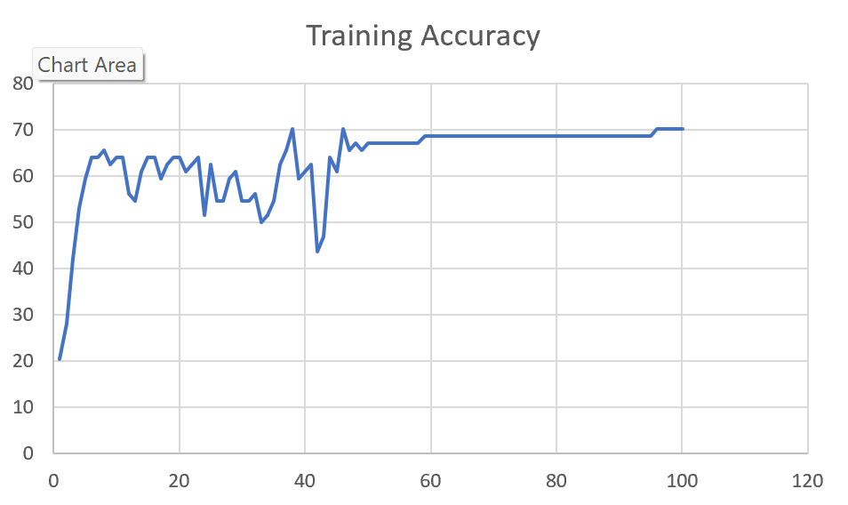 | 72

M11 | Augmented_M11_TE | 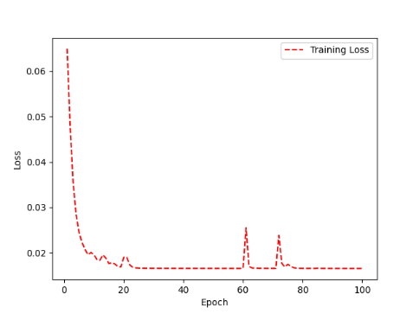 | 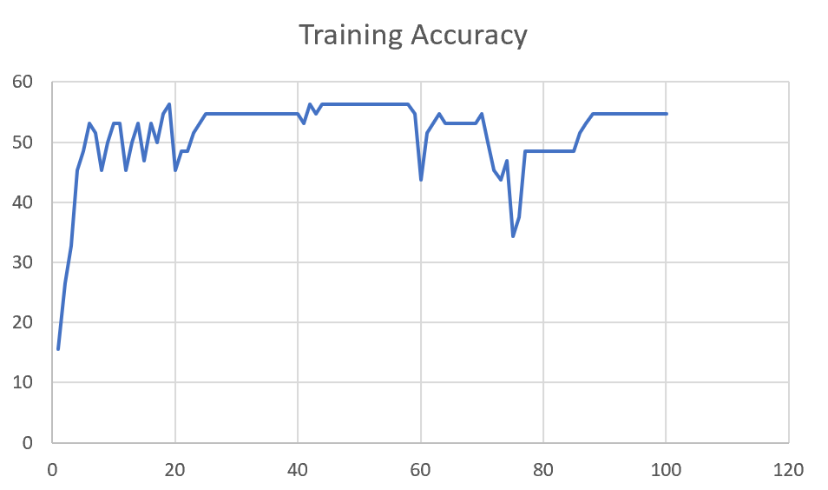 | 55

 | Augmented_M11_D3 | 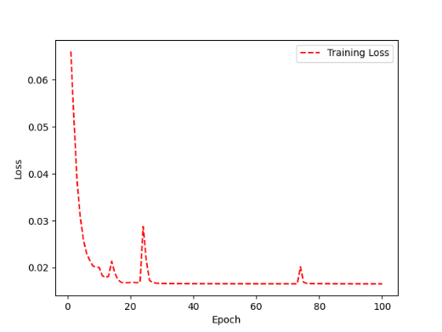 | 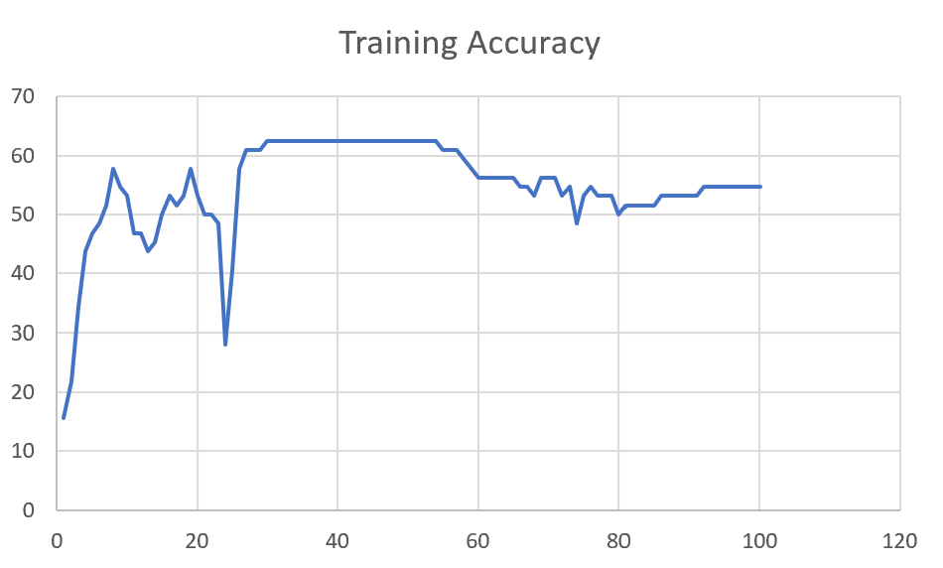 | 58

M05 | Augmented_M05_D3 | 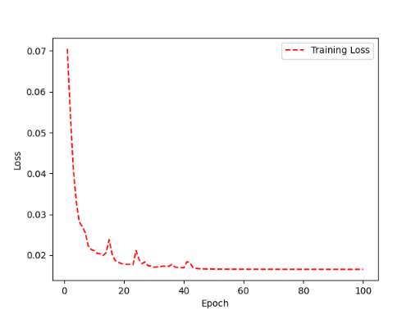 | 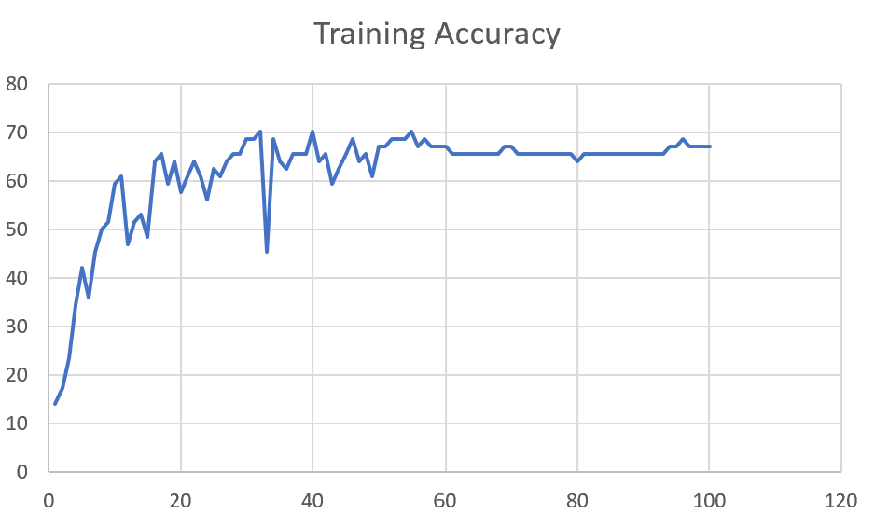 | 66

 | Augmented_M05_TE+D1

M16 | Augmented_M16_D3 | 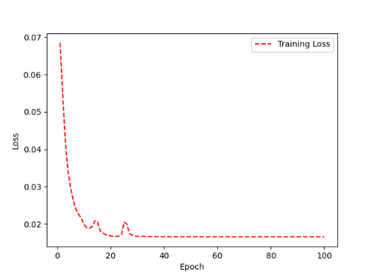 | 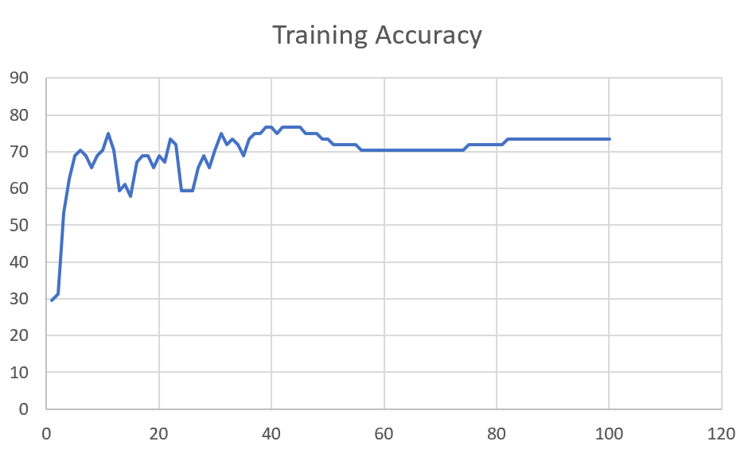 | 70

 | Augmented_M16_TE+D1

F02 | Augmented_F02_TE | 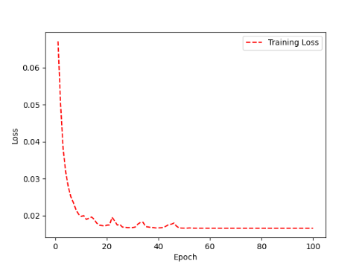 | 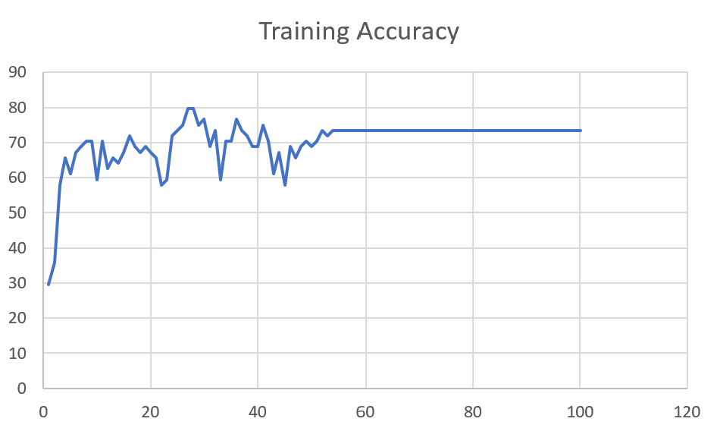 | 74

 | Augmented_M05_TE+D1

M07 | Augmented_M07_D3 | 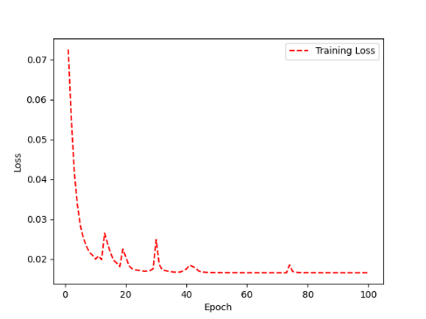 | 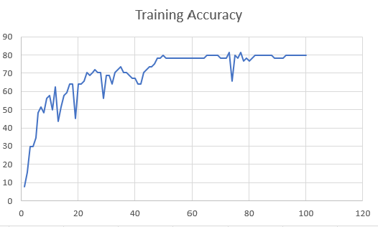 | 76

 | Augmented_M07_TE+D12

M01 | Augmented_M05_D3

 | Augmented_M05_TE+D1 | 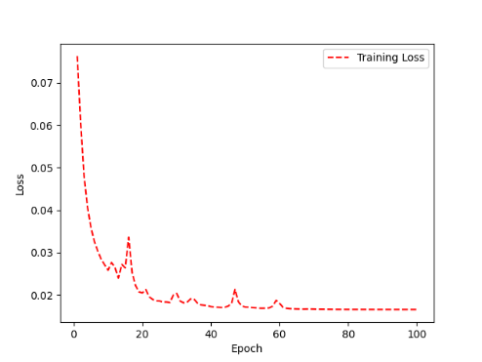 | 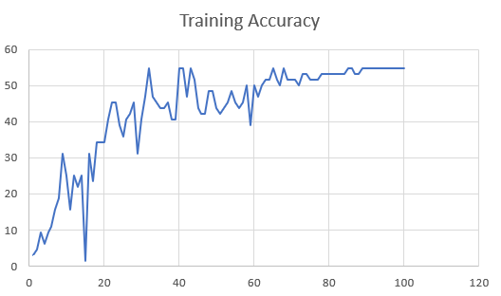 | 51

M12 | Augmented_M12_TE | 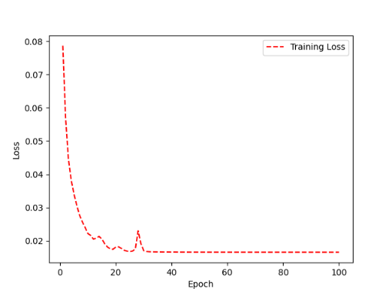 | 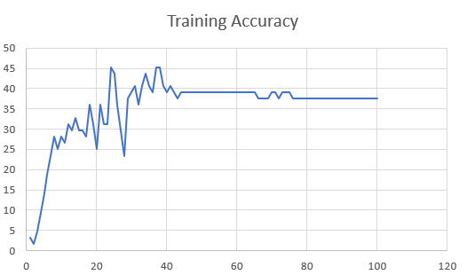 | 41

 | Augmented_M12_D3

F03 | Augmented_F03_TE+D1 | 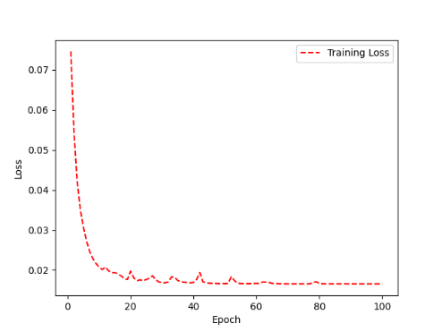 | 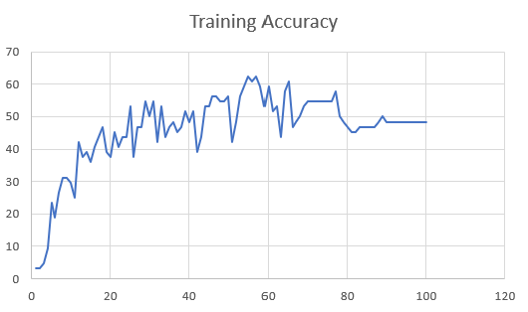 | 53

 | Augmented_F03_TE

M04 | Augmented_M04_TE | 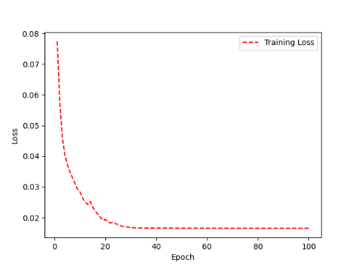 | 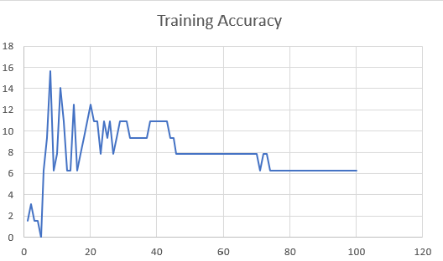 | 7

 | Augmented_M04_E1

Sheet1
 |  |  | Training Accuracy
0 | 0.984375 | 1 | 1.5625
1 | 0.96875 | 2 | 3.125
2 | 0.984375 | 3 | 1.5625
3 | 0.984375 | 4 | 1.5625
4 | 1 | 5 | 0
5 | 0.9375 | 6 | 6.25
6 | 0.90625 | 7 | 9.375
7 | 0.84375 | 8 | 15.625
8 | 0.9375 | 9 | 6.25
9 | 0.921875 | 10 | 7.8125
10 | 0.859375 | 11 | 14.0625
11 | 0.890625 | 12 | 10.9375
12 | 0.9375 | 13 | 6.25
13 | 0.9375 | 14 | 6.25
14 | 0.875 | 15 | 12.5
15 | 0.9375 | 16 | 6.25
16 | 0.921875 | 17 | 7.8125
17 | 0.90625 | 18 | 9.375
18 | 0.890625 | 19 | 10.9375
19 | 0.875 | 20 | 12.5
20 | 0.890625 | 21 | 10.9375
21 | 0.890625 | 22 | 10.9375
22 | 0.921875 | 23 | 7.8125
23 | 0.890625 | 24 | 10.9375
24 | 0.90625 | 25 | 9.375
25 | 0.890625 | 26 | 10.9375
26 | 0.921875 | 27 | 7.8125
27 | 0.90625 | 28 | 9.375
28 | 0.890625 | 29 | 10.9375
29 | 0.890625 | 30 | 10.9375
30 | 0.890625 | 31 | 10.9375
31 | 0.90625 | 32 | 9.375
32 | 0.90625 | 33 | 9.375
33 | 0.90625 | 34 | 9.375
34 | 0.90625 | 35 | 9.375
35 | 0.90625 | 36 | 9.375
36 | 0.90625 | 37 | 9.375
37 | 0.890625 | 38 | 10.9375
38 | 0.890625 | 39 | 10.9375
39 | 0.890625 | 40 | 10.9375
40 | 0.890625 | 41 | 10.9375
41 | 0.890625 | 42 | 10.9375
42 | 0.890625 | 43 | 10.9375
43 | 0.90625 | 44 | 9.375
44 | 0.90625 | 45 | 9.375
45 | 0.921875 | 46 | 7.8125
46 | 0.921875 | 47 | 7.8125
47 | 0.921875 | 48 | 7.8125
48 | 0.921875 | 49 | 7.8125
49 | 0.921875 | 50 | 7.8125
50 | 0.921875 | 51 | 7.8125
51 | 0.921875 | 52 | 7.8125
52 | 0.921875 | 53 | 7.8125
53 | 0.921875 | 54 | 7.8125
54 | 0.921875 | 55 | 7.8125
55 | 0.921875 | 56 | 7.8125
56 | 0.921875 | 57 | 7.8125
57 | 0.921875 | 58 | 7.8125
58 | 0.921875 | 59 | 7.8125
59 | 0.921875 | 60 | 7.8125
60 | 0.921875 | 61 | 7.8125
61 | 0.921875 | 62 | 7.8125
62 | 0.921875 | 63 | 7.8125
63 | 0.921875 | 64 | 7.8125
64 | 0.921875 | 65 | 7.8125
65 | 0.921875 | 66 | 7.8125
66 | 0.921875 | 67 | 7.8125
67 | 0.921875 | 68 | 7.8125
68 | 0.921875 | 69 | 7.8125
69 | 0.921875 | 70 | 7.8125
70 | 0.9375 | 71 | 6.25
71 | 0.921875 | 72 | 7.8125
72 | 0.921875 | 73 | 7.8125
73 | 0.9375 | 74 | 6.25
74 | 0.9375 | 75 | 6.25
75 | 0.9375 | 76 | 6.25
76 | 0.9375 | 77 | 6.25
77 | 0.9375 | 78 | 6.25
78 | 0.9375 | 79 | 6.25
79 | 0.9375 | 80 | 6.25
80 | 0.9375 | 81 | 6.25
81 | 0.9375 | 82 | 6.25
82 | 0.9375 | 83 | 6.25
83 | 0.9375 | 84 | 6.25
84 | 0.9375 | 85 | 6.25
85 | 0.9375 | 86 | 6.25
86 | 0.9375 | 87 | 6.25
87 | 0.9375 | 88 | 6.25
88 | 0.9375 | 89 | 6.25
89 | 0.9375 | 90 | 6.25
90 | 0.9375 | 91 | 6.25
91 | 0.9375 | 92 | 6.25
92 | 0.9375 | 93 | 6.25
93 | 0.9375 | 94 | 6.25
94 | 0.9375 | 95 | 6.25
95 | 0.9375 | 96 | 6.25
96 | 0.9375 | 97 | 6.25
97 | 0.9375 | 98 | 6.25
98 | 0.9375 | 99 | 6.25
99 | 0.9375 | 100 | 6.25
<__main__.DisplayOutputs object at 0x7f03c02a0ca0> | 0.9375 | #VALUE! | 6.25
<__main__.DisplayOutputs object at 0x7f03c02a0ca0> | 0.921875 | #VALUE! | 7.8125
<__main__.DisplayOutputs object at 0x7f03c02a0ca0> | 0.90625 | #VALUE! | 9.375
<__main__.DisplayOutputs object at 0x7f03c02a0ca0> | 0.96875 | #VALUE! | 3.125
<__main__.DisplayOutputs object at 0x7f03c02a0ca0> | 0.890625 | #VALUE! | 10.9375
<__main__.DisplayOutputs object at 0x7f03c02a0ca0> | 0.890625 | #VALUE! | 10.9375
<__main__.DisplayOutputs object at 0x7f03c02a0ca0> | 0.875 | #VALUE! | 12.5
<__main__.DisplayOutputs object at 0x7f03c02a0ca0> | 0.921875 | #VALUE! | 7.8125
<__main__.DisplayOutputs object at 0x7f03c02a0ca0> | 0.96875 | #VALUE! | 3.125
<__main__.DisplayOutputs object at 0x7f03c02a0ca0> | 0.96875 | #VALUE! | 3.125
<__main__.DisplayOutputs object at 0x7f03c02a0ca0> | 0.953125 | #VALUE! | 4.6875
<__main__.DisplayOutputs object at 0x7f03c02a0ca0> | 0.984375 | #VALUE! | 1.5625
<__main__.DisplayOutputs object at 0x7f03c02a0ca0> | 0.85714285714 | #VALUE! | 14.285714286
 |  | 1 | 100
 |  | 1 | 100
 |  | 1 | 100
 |  | 1 | 100
<__main__.DisplayOutputs object at 0x7fcfe04bb910> | 0.640625
<__main__.DisplayOutputs object at 0x7fcfe04bb910> | 0.50819672131

